ART
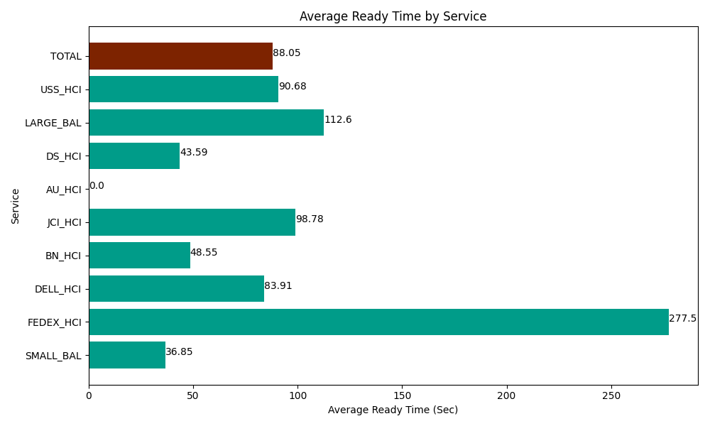
Date | Service | Successful Op Transfer | In Call (Sec) | Ready (Sec) | Wrapup (Sec) | Not Ready (Sec) | Average Ready Time (Sec)
06-10-2024 | SMALL_BAL | 261 | 17282.999268 | 9618.0001831 | 30945 | 40840.198975 | 36.85
06-10-2024 | FEDEX_HCI | 2 | 244.79999542 | 555 | 1.1999999732 | 301.19999886 | 277.5
06-10-2024 | DELL_HCI | 219 | 23356.799927 | 18376.799927 | 53397.000732 | 47139.001465 | 83.91
06-10-2024 | BN_HCI | 487 | 23914.200439 | 23642.999268 | 50502.000732 | 29917.199707 | 48.55
06-10-2024 | JCI_HCI | 131 | 10417.800293 | 12940.799561 | 13525.799561 | 1462.7999496 | 98.78
06-10-2024 | AU_HCI | 0 | 0 | 136.79999828 | 0 | 7.1999998391 | 0
06-10-2024 | DS_HCI | 316 | 19922.999268 | 13773.000183 | 26827.199707 | 31729.801025 | 43.59
06-10-2024 | LARGE_BAL | 3 | 97.799999714 | 337.80000687 | 180 | 34.799998999 | 112.6
06-10-2024 | USS_HCI | 153 | 23048.999634 | 13873.799744 | 11416.200256 | 9169.8001099 | 90.68
 | TOTAL | 1572 | 118286.39882 | 93254.99887 | 186794.40099 | 160602.00123 | 88.05

